Triangle
TRIANGLE Area Calculator

Formula for the area of a triangle given two sides and the angle between them

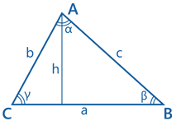
 | a: | 30
 | b: | 40
 | g: | 70 | °

 | Area: | 464.3

